Battery Operated Machines
Parameter | BOMA-SETH-300 | BOMA BMTH-300-1 | NAACHI ELEKTRA-330 | NAACHI ELEKTRA-330 PRO | NPLUS J30C |  | Farmer EH-35 | BOMA-SETH-300 | https://www.bomatools.com/electric-single-hand-mini-tea-harvester.html?utm_
Manufacturer | BOMA | BOMA | Naachi | Naachi | Zhejiang Nplus Intelligent Technology Co., Ltd. | PCL Solusions (PVT). Ltd | Farmer | BOMA BMTH-300-1 | https://www.bomatools.com/24V-10Ah-Long-Blade-Tea-Harvester-Professional-Tea-Picking-Machine-pd761663388.html?utm
Motor Type | Brushless | Brushless | Brushless | BLDC | Brushless | Brushless | Brushless Motor | NAACHI ELEKTRA-330 | https://naachi.world/product/elektra-330/?utm_source=chatgpt.com
Motor Power | 60W |  | 300 W | 500 W | 750 W |  | 300 W | NAACHI ELEKTRA-330 PRO | https://naachi.world/product/electra-330-pro/?utm
Motor Speed |  |  | 24,000 RPM | 13,000 RPM |  | 9000–10000 rpm | 5500 RPM | NPLUS J30C | https://www.zjnplus.com/tea-picking-machine/j30c-large-capacity-lithium-battery-tea.html?utm
Rated Voltage | 24V | 24V / 12V | 24 V | 21 V | 36 V | DC 24V / 12V optional |  | PCL Solusions (PVT). Ltd | https://www.pclsolutions.lk/agriculture-and-plantation/?utm
Blade Length | 300mm | 330 mm | 330 mm | 330 mm | 376 mm | 330mm | 300mm | Farmer EH-35 | https://www.zenithforgings.com/eh35.html?utm_
Blade Material |  |  | SKS51 Japanese Steel | SKS85 Japanese Steel | SK5 High Carbon Steel |  | Japanese Steel
Blade Speed |  |  |  | 1900–2400 CPM |  |  | 1800 RPM
Transmission |  |  |  | Dual Action Syncro Gearbox
Collection Tray | Large Tray | Large Tray | 4.6 L Tray | Tray | Tray | Tray | Tray
Machine Weight | 2.1 kg | 1.8 kg | 1.6 kg | 1.29 kg | 4.0 kg (with battery) | 1.6 kg | 1.12 Kg
Battery Type | Lead acid battery 24V DC 8AH | Lithium battery (24v,12ah or 10ah ) / lead acid battery | Lithium-ion | Lithium-ion | Lithium-ion | Lithium battery (24v) / lead acid battery | Lithium-lon Battery
Battery Capacity | 24V 12Ah | 24V 10Ah or 12Ah | 24V 12Ah | 21V 4Ah | 7.8Ah | 24V 10Ah | 24V 12Ah
Battery Energy |  |  | 350 Wh | 84 Wh
Battery Weight |  |  | 2.4 kg | 0.6 kg | Included in total weight |  | 0.6 Kg
Charging Time |  |  | 6–7 h | 3 h
Runtime | 3-5 h | 6–7 h | 1.5–2 days | 12+ h | 6 h | 7–8 h (24V 10Ah) | 10 - 12 Hours/day
Harvesting Capacity | >30 kg/h | >60 kg/h | 400–500 kg/day | 400–500 kg/day | ≈500 kg/day | >60 kg/h
Waterproof |  | Yes |  |  | Rating IP65 | Yes
Circuit Protection |  | Yes |  | Battery Management System |  | Yes
Reverse Polarity Protection |  | Yes
Cutting Mechanism | Reciprocating Cutter | Reciprocating Cutter | Reciprocating Cutter | Reciprocating Cutter | Reciprocating Cutter | Reciprocating Cutter | Reciprocating Cutter
Drive System |  | Electric Motor + Gear Reduction | BLDC + Gearbox | BLDC + Syncro Gearbox | BLDC Drive
Battery Location | Backpack Battery | Backpack Battery | Backpack Battery | Portable Battery Pack | Backpack Battery | Backpack Battery | Backpack Battery
Intended Operation | Single-Hand | Single-Hand | Single-Hand | Single-Hand | Single-Hand | Single-Hand | Single-Hand
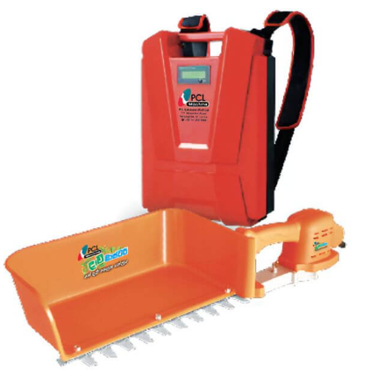
Terrain Suitability |  | Tea Estates | Tea Estates | Steep Terrain | Commercial Tea Fields |  | Steep Terrain
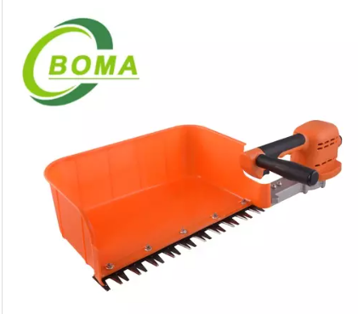
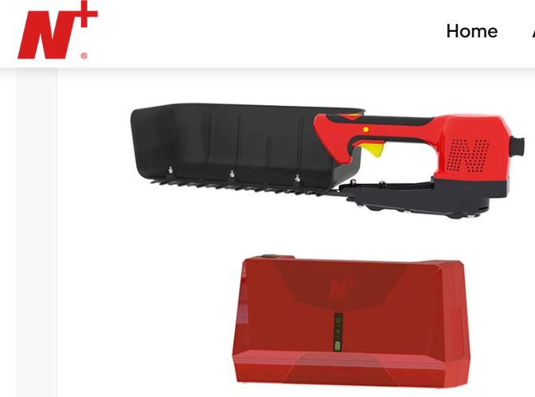
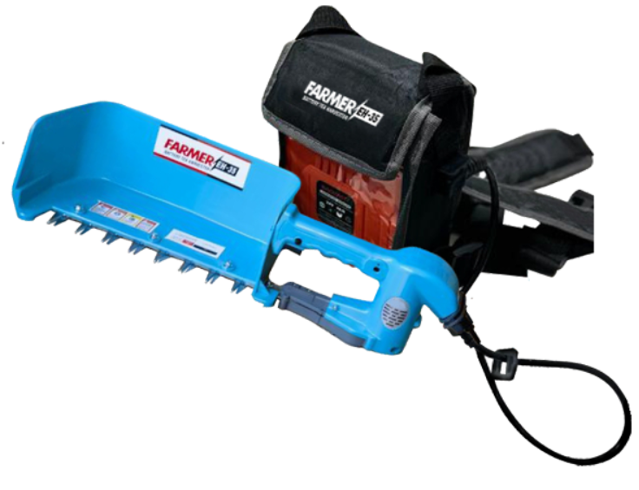
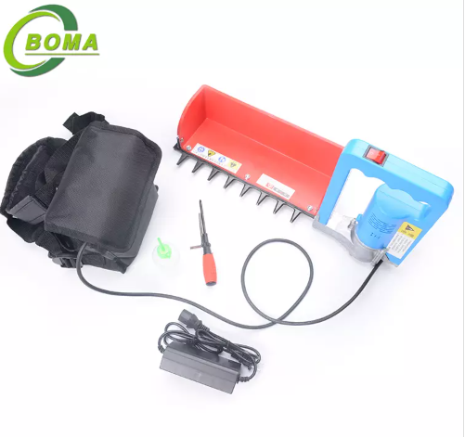
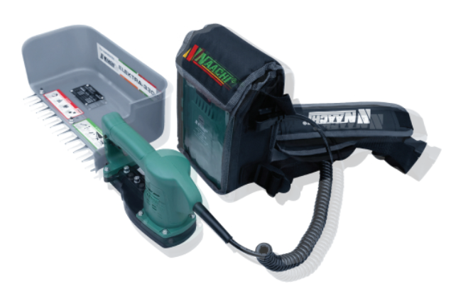
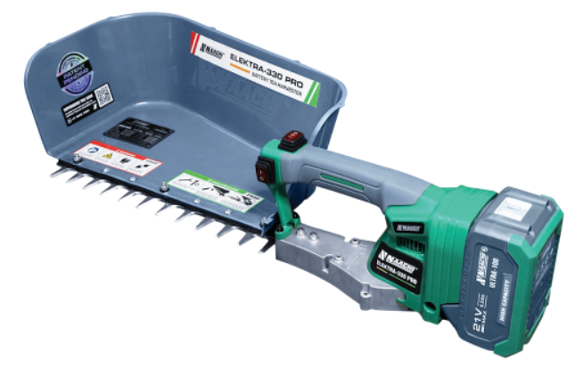

BOMA-SETH-300 |  | BOMA BMTH-300-1 |  | NAACHI ELEKTRA-330 |  | NAACHI ELEKTRA-330 PRO |  | NPLUS J30C

 |  |  |  |  |  |  |  |  |  | PCL Solusions (PVT). Ltd

